Copy of Who Imports Russian Oil
graphic here: https://geni.us/Russia-Ukraine-Viz
Name | Share % | Gross Export | https://atlas.cid.harvard.edu/explore?country=186&product=910&year=2019&productClass=HS&target=Product&partner=undefined&startYear=undefined
Australia | 0.09 | 103537184
Austria | 0.10 | 117916848
Azerbaijan | 0.11 | 124759304
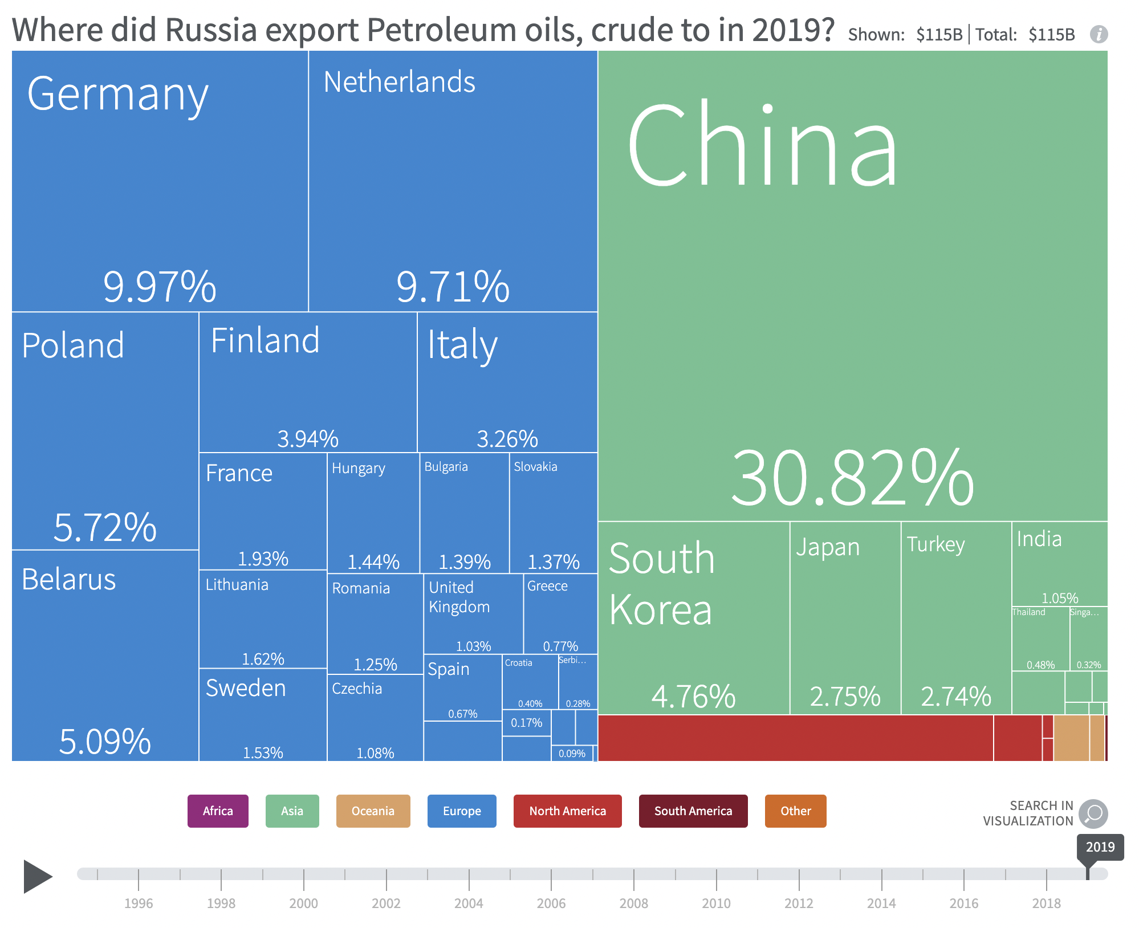
Belarus | 5.09 | 5846611456
Belgium | 0.09 | 99422200
Bulgaria | 1.39 | 1594985216
Canada | 0.29 | 334876000
China | 30.82 | 35404181504
Colombia | 0.02 | 23828054
Croatia | 0.40 | 459554848
Cuba | 0.03 | 39081932
Curaçao | 0.03 | 38505532
Czechia | 1.08 | 1238588928
Denmark | 0.17 | 191497472
Estonia | 0.00 | 145804
Finland | 3.94 | 4521537536
France | 1.93 | 2213134592
Germany | 9.97 | 11448549376
Greece | 0.77 | 882612480
Hungary | 1.44 | 1651723008
India | 1.05 | 1207270144
Italy | 3.26 | 3740185344
Japan | 2.75 | 3164011008
Kazakhstan | 0.01 | 8418777
Kyrgyzstan | 0.00 | 24181
Latvia | 0.16 | 183519184
Lithuania | 1.62 | 1857397248
Malaysia | 0.30 | 343256128
Myanmar | 0.04 | 44415012
Netherlands | 9.71 | 11149848576
New Zealand | 0.22 | 247978224
Norway | 0.11 | 127896080
Philippines | 0.06 | 74016584
Poland | 5.72 | 6572766208
Portugal | 0.41 | 468700288
Romania | 1.25 | 1432014336
Serbia | 0.28 | 320564576
Singapore | 0.32 | 363178080
Slovakia | 1.37 | 1575650688
South Korea | 4.76 | 5466311680
Spain | 0.67 | 772941632
Sweden | 1.53 | 1756946304
Switzerland | 0.01 | 11682538
Thailand | 0.48 | 552025536
Turkey | 2.74 | 3152163584
United Arab Emirates | 0.02 | 27120144
United Kingdom | 1.03 | 1186392960
United States of America | 2.37 | 2719171328

Copy of % Dependency on Russian
Country | % dependency on Russian oil | % dependency | graphic here: https://geni.us/Russia-Ukraine-Viz | https://www.aljazeera.com/news/2022/3/10/infographic-how-much-of-your-countrys-oil-comes-from-russia-interactive#:~:text=The%20countries%20that%20rely%20most,their%20crude%20oil%20from%20Russia.
 | source: OEC | source: WSJ
Belarus | 100
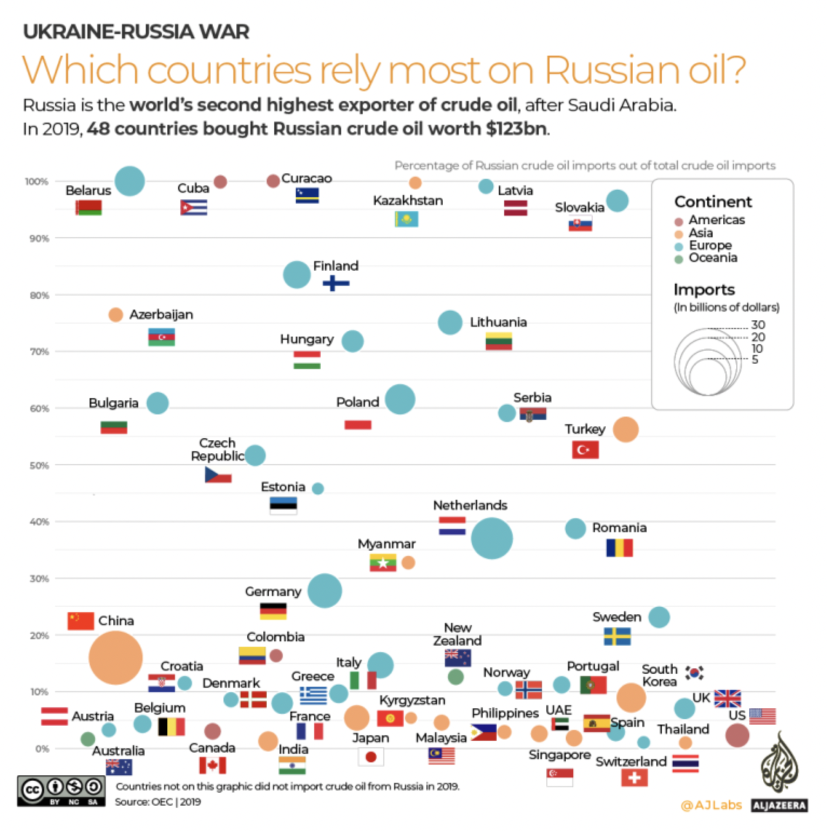
Cuba | 100
Curacao | 100
Kazakhstan | 99
Latvia | 98
Slovakia | 96
Finland | 83
Azerbaijan | 76
Lithuania | 74 | 61
Hungary | 72
Poland | 62
Bulgaria | 61 | 95
Serbia | 59
Turkey | 56
Czechia | 51
Estonia | 46
Romania | 39
Netherlands | 37
Myanmar | 32
Germany | 28
Sweden | 23
China | 15
Colombia | 15
Italy | 15
New Zealand | 12
Croatia | 11
Portugal | 11
Norway | 10
Greece | 10
S. Korea | 9
Denmark | 8
France | 8
UK | 7
Kyrgyzstan | 6
Malaysia | 5
Japan | 5
Belgium | 4
Philippines | 3
Canada | 3
Austria | 3
USA | 3
UAE | 2
Singapore | 2
India | 2
Australia | 2
Thailand | 1
Spain | 1

Copy of Worlds Proven Oil Reser
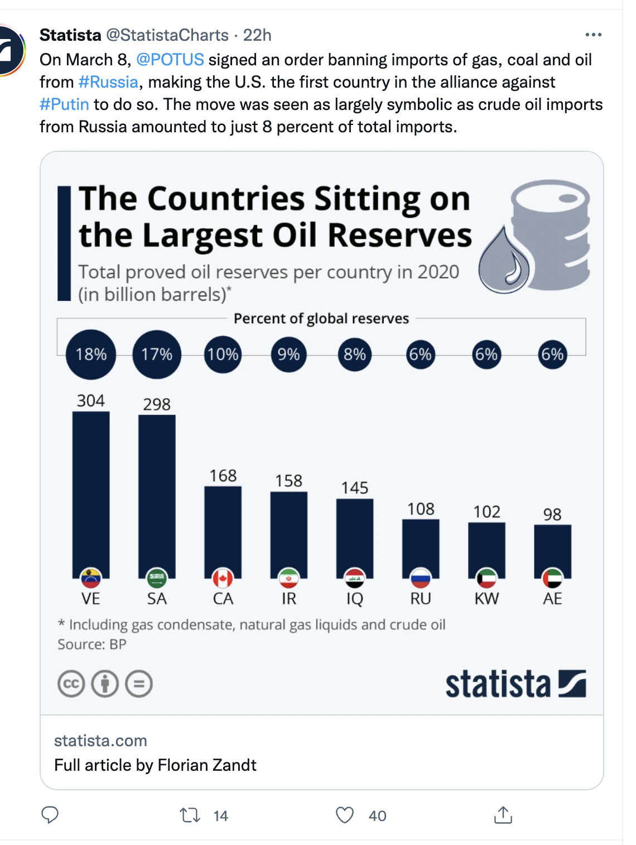
Total Proved Oil Reserves Per Country
 | billion barrels | % of reserves | OPEC?
Venezuela | 304 | 18% | OPEC | https://www.statista.com/statistics/237065/share-of-oil-reserves-of-the-leading-ten-countries/#:~:text=Venezuela%20accounts%20for%20the%20greatest,closely%20followed%2C%20at%2017.2%20percent.
Saudi Arabia | 298 | 17% | OPEC | https://www.statista.com/statistics/237065/share-of-oil-reserves-of-the-leading-ten-countries/#:~:text=Venezuela%20accounts%20for%20the%20greatest,closely%20followed%2C%20at%2017.2%20percent.
Canada | 168 | 10% | NON-OPEC | https://www.statista.com/statistics/237065/share-of-oil-reserves-of-the-leading-ten-countries/#:~:text=Venezuela%20accounts%20for%20the%20greatest,closely%20followed%2C%20at%2017.2%20percent.
Iran | 158 | 9% | OPEC | https://www.statista.com/statistics/237065/share-of-oil-reserves-of-the-leading-ten-countries/#:~:text=Venezuela%20accounts%20for%20the%20greatest,closely%20followed%2C%20at%2017.2%20percent.
Iraq | 145 | 8% | OPEC | https://www.statista.com/statistics/237065/share-of-oil-reserves-of-the-leading-ten-countries/#:~:text=Venezuela%20accounts%20for%20the%20greatest,closely%20followed%2C%20at%2017.2%20percent.
Russia | 108 | 6% | NON-OPEC | https://www.statista.com/statistics/237065/share-of-oil-reserves-of-the-leading-ten-countries/#:~:text=Venezuela%20accounts%20for%20the%20greatest,closely%20followed%2C%20at%2017.2%20percent.
Kuwait | 102 | 6% | OPEC | https://www.statista.com/statistics/237065/share-of-oil-reserves-of-the-leading-ten-countries/#:~:text=Venezuela%20accounts%20for%20the%20greatest,closely%20followed%2C%20at%2017.2%20percent.
UAE | 98 | 6% | OPEC | https://www.statista.com/statistics/237065/share-of-oil-reserves-of-the-leading-ten-countries/#:~:text=Venezuela%20accounts%20for%20the%20greatest,closely%20followed%2C%20at%2017.2%20percent.
USA | 68 | 4% | NON-OPEC | https://www.statista.com/statistics/237065/share-of-oil-reserves-of-the-leading-ten-countries/#:~:text=Venezuela%20accounts%20for%20the%20greatest,closely%20followed%2C%20at%2017.2%20percent.
Libya | 49 | 3% | OPEC | https://www.statista.com/statistics/237065/share-of-oil-reserves-of-the-leading-ten-countries/#:~:text=Venezuela%20accounts%20for%20the%20greatest,closely%20followed%2C%20at%2017.2%20percent.
Nigeria | 35 | 2% | OPEC | https://www.statista.com/statistics/237065/share-of-oil-reserves-of-the-leading-ten-countries/#:~:text=Venezuela%20accounts%20for%20the%20greatest,closely%20followed%2C%20at%2017.2%20percent.
Kazakhstan | 30 | 1.8% | NON-OPEC | https://www.usatoday.com/story/money/2019/05/22/largest-oil-reserves-in-world-15-countries-that-control-the-worlds-oil/39497945/
China | 25.7 | 1.5% | NON-OPEC | https://www.usatoday.com/story/money/2019/05/22/largest-oil-reserves-in-world-15-countries-that-control-the-worlds-oil/39497945/
Qatar | 25.2 | 1.5% | OPEC | https://www.usatoday.com/story/money/2019/05/22/largest-oil-reserves-in-world-15-countries-that-control-the-worlds-oil/39497945/
Brazil | 12.8 | 0.75% | NON-OPEC | https://www.usatoday.com/story/money/2019/05/22/largest-oil-reserves-in-world-15-countries-that-control-the-worlds-oil/39497945/
Algeria | 12 | 0.71% | OPEC | https://www.opec.org/opec_web/en/about_us/146.htm
Ecuador | 8.3 | 0.49% | OPEC | https://www.eia.gov/international/content/analysis/countries_long/Ecuador/ecuador.pdf
Norway | 8.1 | 0.48% | NON-OPEC | https://en.wikipedia.org/wiki/List_of_countries_by_proven_oil_reserves
Angola | 7.2 | 0.42% | OPEC | https://www.opec.org/opec_web/en/about_us/147.htm
Azerbaijan | 7 | 0.41% | NON-OPEC | https://en.wikipedia.org/wiki/List_of_countries_by_proven_oil_reserves
Mexico | 5.7 | 0.34% | NON-OPEC | https://en.wikipedia.org/wiki/List_of_countries_by_proven_oil_reserves
Oman | 5.3 | 0.31% | NON-OPEC | https://en.wikipedia.org/wiki/List_of_countries_by_proven_oil_reserves
Sudan | 5 | 0.29% | NON-OPEC | https://en.wikipedia.org/wiki/List_of_countries_by_proven_oil_reserves
India | 4.6 | 0.27% | NON-OPEC | https://en.wikipedia.org/wiki/List_of_countries_by_proven_oil_reserves
Vietnam | 4.4 | 0.26% | NON-OPEC | https://en.wikipedia.org/wiki/List_of_countries_by_proven_oil_reserves

Congo | 1.8 | 0.11% | OPEC | https://www.opec.org/opec_web/en/about_us/5090.htm
Malaysia | 3.6 | 0.21% | NON-OPEC | https://en.wikipedia.org/wiki/List_of_countries_by_proven_oil_reserves
Gabon | 2 | 0.12% | OPEC | https://www.opec.org/opec_web/en/about_us/3520.htm
Eq. Guinea | 1.1 | 0.06% | OPEC | https://www.opec.org/opec_web/en/about_us/4319.htm

others | 35 | 2% | NON-OPEC

Copy of Who Supports Russia
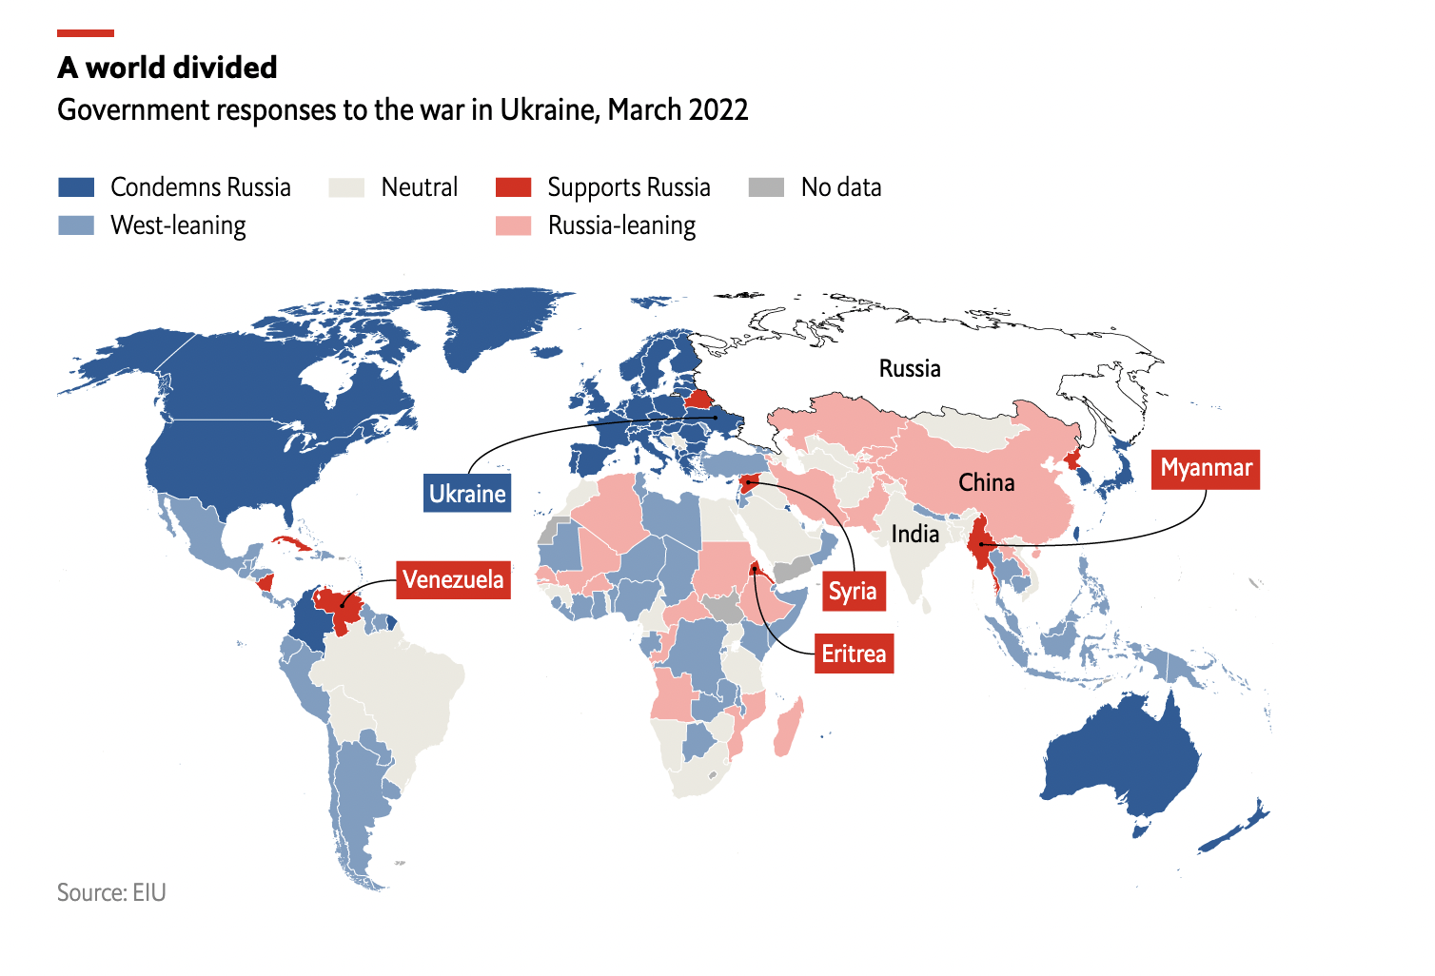
country | response to russia | sources | https://www.economist.com/graphic-detail/2022/04/04/who-are-russias-supporters | https://www.eiu.com/n/russia-can-count-on-support-from-many-developing-countries/
Afghanistan | NEUTRAL |  | updated source: https://www.economist.com/graphic-detail/2023/03/31/who-are-russias-supporters
Albania
Algeria | LEANS RUSSIA
Angola | LEANS RUSSIA
Argentina | UNHAPPY
Armenia
Australia | CONDEMNS RUSSIA
Austria | CONDEMNS RUSSIA
Azerbaijan | NEUTRAL
Bahrain
Bangladesh | NEUTRAL
Belarus | PRO RUSSIA
Belgium | CONDEMNS RUSSIA
Belize | UNHAPPY
Benin | UNHAPPY
Bhutan | UNHAPPY
Bolivia | NEUTRAL
Bosnia & Herzegovina | CONDEMNS RUSSIA
Botswana | UNHAPPY
Brazil | NEUTRAL
Bulgaria | CONDEMNS RUSSIA
Burkina Faso | LEANS RUSSIA
Burundi
Cambodia | UNHAPPY
Cameroon | NEUTRAL
Canada | CONDEMNS RUSSIA
Central African Republic | LEANS RUSSIA
Chad | UNHAPPY
Chile | UNHAPPY
China | LEANS RUSSIA
Colombia | CONDEMNS RUSSIA
Congo | LEANS RUSSIA
Costa Rica | UNHAPPY
Cote d'Ivoire | UNHAPPY
Croatia | CONDEMNS RUSSIA
Cuba | PRO RUSSIA
Cyprus | CONDEMNS RUSSIA
Czechia | CONDEMNS RUSSIA
Denmark | CONDEMNS RUSSIA
Djibouti
Dominican Republic | UNHAPPY
DRC Congo
Ecuador | UNHAPPY
Egypt | NEUTRAL
El Salvador | UNHAPPY
Equatorial Guinea
Eritrea | PRO RUSSIA
Estonia | CONDEMNS RUSSIA
Eswatini | UNHAPPY
Ethiopia | LEANS RUSSIA
Finland | CONDEMNS RUSSIA
France | CONDEMNS RUSSIA
Gabon | UNHAPPY
Gambia
Georgia
Germany | CONDEMNS RUSSIA
Ghana | UNHAPPY
Greece | CONDEMNS RUSSIA
Guatemala | UNHAPPY
Guinea | NEUTRAL
Guinea-Bissau
Guyana | UNHAPPY
Haiti | UNHAPPY
Honduras | UNHAPPY
Hong Kong | LEANS RUSSIA
Hungary | CONDEMNS RUSSIA
Iceland | CONDEMNS RUSSIA
India | NEUTRAL
Indonesia | UNHAPPY
Iran | LEANS RUSSIA
Iraq | NEUTRAL
Ireland | CONDEMNS RUSSIA
Israel | CONDEMNS RUSSIA
Italy | CONDEMNS RUSSIA
Jamaica | UNHAPPY
Japan | CONDEMNS RUSSIA
Jordan | UNHAPPY
Kazakhstan | LEANS RUSSIA
Kenya | UNHAPPY
Kosovo | CONDEMNS RUSSIA
Kuwait | UNHAPPY
Kyrgyzstan | LEANS RUSSIA
Laos | LEANS RUSSIA
Latvia | CONDEMNS RUSSIA
Lebanon
Lesotho
Liberia | UNHAPPY
Libya | UNHAPPY
Lithuania
Luxembourg | CONDEMNS RUSSIA
Madagascar | LEANS RUSSIA
Malawi | UNHAPPY
Malaysia | UNHAPPY
Mali | LEANS RUSSIA
Mauritania | UNHAPPY
Mauritius
Mexico | UNHAPPY
Moldova | UNHAPPY
Mongolia | NEUTRAL
Morocco | NEUTRAL
Mozambique | LEANS RUSSIA
Myanmar | PRO RUSSIA
Namibia | NEUTRAL
Nepal | UNHAPPY
Netherlands | CONDEMNS RUSSIA
New Zealand | CONDEMNS RUSSIA
Nicaragua | PRO RUSSIA
Niger | UNHAPPY
Nigeria | UNHAPPY
North Korea | PRO RUSSIA
North Macedonia
Norway | CONDEMNS RUSSIA
Oman | UNHAPPY
Pakistan | LEANS RUSSIA
Palestine | CONDEMNS RUSSIA
Panama | UNHAPPY
Papua New Guinea | UNHAPPY
Paraguay | UNHAPPY
Peru | UNHAPPY
Philippines | UNHAPPY
Poland | CONDEMNS RUSSIA
Portugal | CONDEMNS RUSSIA
Puerto Rico | CONDEMNS RUSSIA
Qatar | UNHAPPY
Romania | CONDEMNS RUSSIA
Russia | PRO RUSSIA
Rwanda | UNHAPPY
Saudi Arabia | NEUTRAL
Scotland | CONDEMNS RUSSIA
Senegal | LEANS RUSSIA
Serbia
Sierra Leone
Singapore
Slovakia
Slovenia
Somalia | UNHAPPY
South Africa | NEUTRAL
South Korea | CONDEMNS RUSSIA
South Sudan
Spain | CONDEMNS RUSSIA
Sri Lanka | NEUTRAL
Sudan | LEANS RUSSIA
Suriname | UNHAPPY
Sweden | CONDEMNS RUSSIA
Switzerland | CONDEMNS RUSSIA
Syria | PRO RUSSIA
Taiwan
Tajikistan | LEANS RUSSIA
Tanzania | NEUTRAL
Thailand | UNHAPPY
Timor-Leste
Togo | NEUTRAL
Trinidad and Tobago
Tunisia
Turkey | UNHAPPY
Turkmenistan | NEUTRAL
Uganda
Ukraine | CONDEMNS RUSSIA
United Arab Emirates
United Kingdom | CONDEMNS RUSSIA
United States | CONDEMNS RUSSIA
Uruguay | UNHAPPY
Uzbekistan | NEUTRAL
Venezuela | PRO RUSSIA
Vietnam | NEUTRAL
Wales | CONDEMNS RUSSIA
Yemen
Zambia | UNHAPPY
Zimbabwe | NEUTRAL

